NCSA Map
NATIONAL COLLECTION SERVICE AREAS
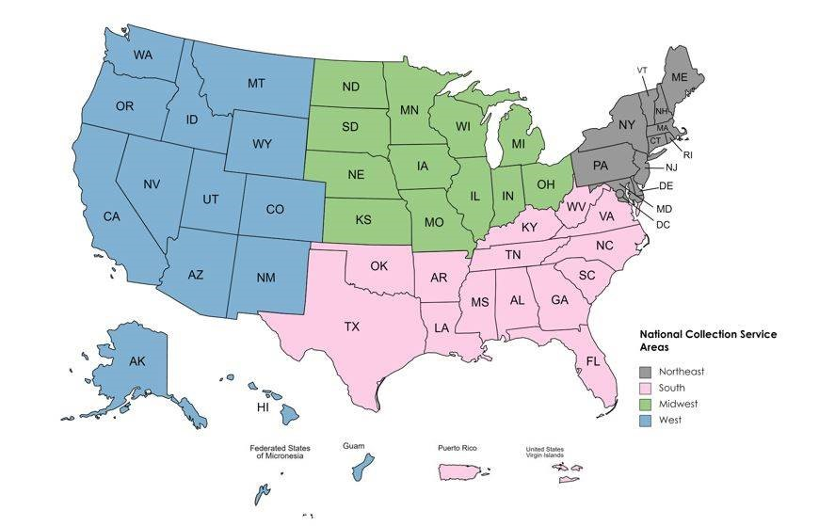
 | MIDWEST | NORTHEAST | SOUTH | WEST
 | North Dakota | Maine | Virginia | Alaska
 | South Dakota | Vermont | West Virginia | Washington
 | Nebraska | New Hampshire | Kentucky | Oregon
 | Kansas | Massachusetts | North Carolina | California
 | Minnesota | Connecticut | Tennessee | Idaho
 | Iowa | Rhode Island | Oklahoma | Nevada
 | Missouri | New York | Texas | Arizona
 | Wisconsin | New Jersey | Arkansas | Utah
 | Illinois | Pennsylvania | South Carolina | Wyoming
 | Michigan | Maryland | Georgia | Montana
 | Indiana | Delaware | Florida | Colorado
 | Ohio | Distric of Columbia | Alabama | New Mexico
 |  |  | Mississippi | Hawaii
 |  |  | Louisiana | Guam
 |  |  | Puerto Rico | Federated States of Micronesia
 |  |  | Virgin Islands

Questionnaire


Determining Criteria for Distributing Print Titles

The purpose of this questionnaire is to determine the criteria used within your National Collection Service Area (NCSA) to prioritize decisions for allocating the copies of the limited titles on the new print distribution title list (i.e.,the PDT).

During the week of November 13-17, four NCSA meetings were held in the Midwest, Northeast, South, and West to discuss criteria that should be used to determine allocation decisions to be made by the Superintendent of Documents.

Please fill out this questionnaire to provide input on your preference for how criteria for making these PDT allocations are weighted within your NCSA.

Please select your state and then library from the drop down menu*

State

Library

Please select your National Collection Service Area (NCSA).
o | Midwest
o | Northeast
o | South
o | West

Please assign each criterion a number from 0-100 to show its importance to your National Collection Service Area (NCSA). All the criteria together must add up to 100.

Use the "Other" category to enter additional criteria or to provide feedback on the criteria listed.

 | Commitment to print preservation of the title (ex. Preservation Stewards, ASERL COE) | 0

 | Complete or extensive run of this title preserved in the collection | 0

 | Consideration for PDT geographically dispersed within the NCSA (ex. mileage, distance) | 0

 | Consideration of depository type (regional vs. selective) in PDTdistribution | 0

 | Consideration of library type (ex. state library, law library, public library) in PDT distribution | 0

 | Copies should be distributed geographically through NCSA sub-regions (ex. Pacific Northwest; KY, TN, WV, VA, NC) | 0

 | Government information expertise is available | 0

 | Inter-library loan (ILL) availability | 0

 | Library serves a community with limited internet connectivity (ex.no broadband, households with no internet) | 0

 | Library will take reference questions from other libraries and usersin the NCSA | 0

 | There is demonstrated user need of the title in print | 0

 | Where depository collection circulates (print access) | 0

 | Other: | 0

What do you think "equitable distribution" means within your NCSA? Are there criteria that are closely related to equitable distribution?

Please share any additional thoughts on why criteria are important to your library and patrons or notes on which ones may impact equitable distribution.

